LEARBF
LIC MF ARBITRAGE FUND |  |  |  |  |  |  | Index

Monthly Portfolio Statement as on November 30,2021
Name of the Instrument | ISIN | Industry / Rating | Quantity | Market/Fair Value (Rounded, Rs. In Lacs) | Rounded, % to Net Assets | Yield
Equity & Equity related
(a)Listed / Awaiting listing on Stock Exchanges
Tata Consultancy Services Ltd. | INE467B01029 | SOFTWARE | 5,400.000 | 190.57 | 7.13%
Apollo Hospitals Enterprise Ltd. | INE437A01024 | HEALTHCARE SERVICES | 2,250.000 | 127.97 | 4.79%
RBL Bank Ltd. | INE976G01028 | BANKS | 66,700.000 | 121.83 | 4.56%
Axis Bank Ltd. | INE238A01034 | BANKS | 18,000.000 | 118.02 | 4.41%
HDFC Asset Management Company Ltd. | INE127D01025 | CAPITAL MARKETS | 4,400.000 | 110.50 | 4.13%
Tata Steel Ltd. | INE081A01012 | FERROUS METALS | 7,225.000 | 77.39 | 2.90%
Strides Pharma Science Ltd. | INE939A01011 | PHARMACEUTICALS | 14,850.000 | 72.45 | 2.71%
IndusInd Bank Ltd. | INE095A01012 | BANKS | 7,200.000 | 63.58 | 2.38%
NMDC Ltd. | INE584A01023 | MINERALS/MINING | 46,900.000 | 62.31 | 2.33%
Escorts Ltd. | INE042A01014 | AUTO | 3,300.000 | 60.93 | 2.28%
Berger Paints (I) Ltd. | INE463A01038 | CONSUMER NON DURABLES | 7,700.000 | 57.88 | 2.17%
Mahindra & Mahindra Financial Serv Ltd. | INE774D01024 | FINANCE | 36,000.000 | 55.87 | 2.09%
Tata Motors Ltd. | INE155A01022 | AUTO | 11,400.000 | 52.28 | 1.96%
Hero MotoCorp Ltd. | INE158A01026 | AUTO | 2,100.000 | 51.44 | 1.92%
Eicher Motors Ltd. | INE066A01021 | AUTO | 2,100.000 | 49.78 | 1.86%
ITC Ltd. | INE154A01025 | CONSUMER NON DURABLES | 22,400.000 | 49.54 | 1.85%
Divi's Laboratories Ltd. | INE361B01024 | PHARMACEUTICALS | 1,000.000 | 48.79 | 1.83%
Torrent Pharmaceuticals Ltd. | INE685A01028 | PHARMACEUTICALS | 1,500.000 | 45.63 | 1.71%
Colgate Palmolive (India) Ltd. | INE259A01022 | CONSUMER NON DURABLES | 2,100.000 | 30.12 | 1.13%
Aurobindo Pharma Ltd. | INE406A01037 | PHARMACEUTICALS | 4,550.000 | 30.04 | 1.12%
Trent Ltd. | INE849A01020 | RETAILING | 2,900.000 | 29.42 | 1.10%
Shree Cement Ltd. | INE070A01015 | CEMENT & CEMENT PRODUCTS | 100.000 | 26.10 | 0.98%
JSW Steel Ltd. | INE019A01038 | FERROUS METALS | 4,050.000 | 24.64 | 0.92%
Granules India Ltd. | INE101D01020 | PHARMACEUTICALS | 7,750.000 | 23.30 | 0.87%
Balkrishna Industries Ltd. | INE787D01026 | AUTO ANCILLARIES | 1,000.000 | 21.75 | 0.81%
Britannia Industries Ltd. | INE216A01030 | CONSUMER NON DURABLES | 600.000 | 21.27 | 0.80%
Godrej Consumer Products Ltd. | INE102D01028 | CONSUMER NON DURABLES | 2,000.000 | 18.46 | 0.69%
Mahindra & Mahindra Ltd. | INE101A01026 | AUTO | 2,100.000 | 17.55 | 0.66%
Bajaj Auto Ltd. | INE917I01010 | AUTO | 500.000 | 16.20 | 0.61%
Bharti Airtel Ltd. | INE397D01024 | TELECOM - SERVICES | 1,886.000 | 13.73 | 0.51%
Hindalco Industries Ltd. | INE038A01020 | NON - FERROUS METALS | 3,225.000 | 13.31 | 0.50%
Ambuja Cements Ltd. | INE079A01024 | CEMENT & CEMENT PRODUCTS | 3,000.000 | 11.24 | 0.42%
Bajaj Finance Ltd. | INE296A01024 | FINANCE | 125.000 | 8.75 | 0.33%
HCL Technologies Ltd. | INE860A01027 | SOFTWARE | 700.000 | 7.97 | 0.30%
State Bank of India | INE062A01020 | BANKS | 1,500.000 | 6.91 | 0.26%
Cholamandalam Investment & Fin Co Ltd. | INE121A01024 | FINANCE | 1,250.000 | 6.88 | 0.26%
ICICI Lombard General Insurance Co. Ltd. | INE765G01017 | INSURANCE | 425.000 | 6.11 | 0.23%
Tata Consumer Products Ltd. | INE192A01025 | CONSUMER NON DURABLES | 675.000 | 5.26 | 0.20%
Sub Total |  |  |  | 1,755.77 | 65.68%
(b) Unlisted
Sub Total |  |  |  | NIL | NIL

TOTAL |  |  |  | 1,755.77 | 65.68%

Others
Investment in Mutual fund
LIC MF LIQUID FUND-DR PLN-GR | INF767K01DN1 |  | 17,301.241 | 661.12 | 24.73%

TOTAL |  |  |  | 661.12 | 24.73%

Treps / Reverse Repo
Treps |  |  |  | 243.45 | 9.11%
Sub Total |  |  |  | 243.45 | 9.11%

TOTAL |  |  |  | 243.45 | 9.11%
Net Receivables / (Payables) |  |  |  | 12.77 | 0.48%
GRAND TOTAL |  |  |  | 2,673.11 | 100.00%

Total outstanding position(as at 30 November 2021 ) in Derivative Instruments(Gross National) 1760.14 lacs.
Total percentage of existing assets hedge through futures is 65.87%.
Disclosure in Devrivtives | Quantity | Market/Fair Value (Rounded, Rs. In Lacs) | Rounded,% TO Net Assets)
Ambuja Cements Ltd. | (3,000) | (11.26) | -0.42%
Apollo Hospitals Enterprise Ltd. | (2,250) | (128.37) | -4.80%
Aurobindo Pharma Ltd. | (4,550) | (30.11) | -1.13%
Axis Bank Ltd. | (18,000) | (118.16) | -4.42%
Bajaj Auto Ltd. | (500) | (16.27) | -0.61%
Bajaj Finance Ltd. | (125) | (8.78) | -0.33%
Balkrishna Industries Ltd. | (1,000) | (21.85) | -0.82%
Berger Paints (I) Ltd. | (7,700) | (58.10) | -2.17%
Bharti Airtel Ltd. | (1,886) | (13.79) | -0.52%
Britannia Industries Ltd. | (600) | (21.33) | -0.80%
Cholamandalam Investment & Fin Co Ltd. | (1,250) | (6.89) | -0.26%
Colgate Palmolive (India) Ltd. | (2,100) | (30.23) | -1.13%
Divi's Laboratories Ltd. | (1,000) | (48.95) | -1.83%
Eicher Motors Ltd. | (2,100) | (49.96) | -1.87%
Escorts Ltd. | (3,300) | (61.12) | -2.29%
Godrej Consumer Products Ltd. | (2,000) | (18.51) | -0.69%
Granules India Ltd. | (7,750) | (23.30) | -0.87%
HCL Technologies Ltd. | (700) | (8.00) | -0.30%
Hero MotoCorp Ltd. | (2,100) | (51.49) | -1.93%
Hindalco Industries Ltd. | (3,225) | (13.34) | -0.50%
IndusInd Bank Ltd. | (7,200) | (63.69) | -2.38%
ITC Ltd. | (22,400) | (49.73) | -1.86%
JSW Steel Ltd. | (4,050) | (24.74) | -0.93%
Mahindra & Mahindra Ltd. | (2,100) | (17.60) | -0.66%
Mahindra & Mahindra Financial Serv Ltd. | (36,000) | (55.94) | -2.09%
NMDC Ltd. | (46,900) | (62.17) | -2.33%
RBL Bank Ltd. | (66,700) | (121.86) | -4.56%
State Bank of India | (1,500) | (6.93) | -0.26%
Shree Cement Ltd. | (100) | (26.17) | -0.98%
Strides Pharma Science Ltd. | (14,850) | (72.51) | -2.71%
Tata Consumer Products Ltd. | (675) | (5.27) | -0.20%
Tata Motors Ltd. | (11,400) | (52.47) | -1.96%
Tata Steel Ltd. | (7,225) | (77.68) | -2.91%
Tata Consultancy Services Ltd. | (5,400) | (191.24) | -7.15%
Torrent Pharmaceuticals Ltd. | (1,500) | (45.76) | -1.71%
ICICI Lombard General Insurance Co. Ltd. | (425) | (6.12) | -0.23%
HDFC Asset Management Company Ltd. | (4,400) | (110.90) | -4.15%
Trent Ltd. | (2,900) | (29.55) | -1.11%
Total | (300,861) | (1,760.14) | -65.87%

The product is suitable for investors who are seeking* | Riskometer - Scheme | Primary Benchmark | Riskometer - Primary Benchmark
LIC MF Arbitrage Fund | 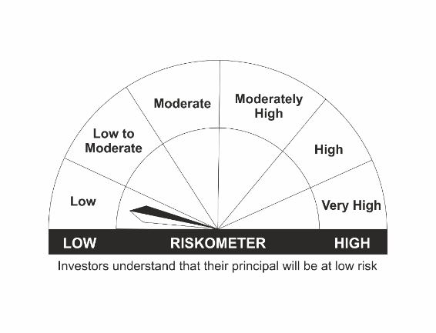 | NIFTY 50 Arbitrage Index | 
•Income over a short term investment horizon
•Income through arbitrage opportunities between cash and derivative market and arbitrage opportunities within the derivative segment of the equity market
•Risk – Low |  | •Risk – Low

*Investors should consult their financial advisers if in doubt about whether the product is suitable for them.
Mutual Fund investments are subject to market risks, read all scheme related documents carefully.

LEBADF
LIC MF BALANCED ADVANTAGE FUND |  |  |  |  |  |  | Index

Monthly Portfolio Statement as on November 30,2021
Name of the Instrument | ISIN | Industry / Rating | Quantity | Market/Fair Value (Rounded, Rs. In Lacs) | Rounded, % to Net Assets | Yield
Equity & Equity related
(a)Listed / Awaiting listing on Stock Exchanges
ICICI Bank Ltd. | INE090A01021 | BANKS | 534,038.000 | 3,814.90 | 3.58%
HDFC Bank Ltd. | INE040A01034 | BANKS | 253,273.000 | 3,782.76 | 3.55%
Infosys Ltd. | INE009A01021 | SOFTWARE | 195,287.000 | 3,344.58 | 3.14%
Reliance Industries Ltd. | INE002A01018 | PETROLEUM PRODUCTS | 107,277.000 | 2,580.44 | 2.42%
Housing Development Finance Corp Ltd. | INE001A01036 | FINANCE | 81,865.000 | 2,188.33 | 2.05%
Bharti Airtel Ltd. | INE397D01024 | TELECOM - SERVICES | 255,196.000 | 1,858.46 | 1.74%
Axis Bank Ltd. | INE238A01034 | BANKS | 276,941.000 | 1,815.76 | 1.70%
Kotak Mahindra Bank Ltd. | INE237A01028 | BANKS | 90,692.000 | 1,779.29 | 1.67%
State Bank of India | INE062A01020 | BANKS | 374,208.000 | 1,723.41 | 1.62%
Larsen & Toubro Ltd. | INE018A01030 | CONSTRUCTION PROJECT | 94,187.000 | 1,662.17 | 1.56%
Bajaj Finance Ltd. | INE296A01024 | FINANCE | 22,850.000 | 1,598.87 | 1.50%
Tata Consultancy Services Ltd. | INE467B01029 | SOFTWARE | 41,194.000 | 1,453.80 | 1.36%
Hindustan Unilever Ltd. | INE030A01027 | CONSUMER NON DURABLES | 56,476.000 | 1,308.86 | 1.23%
HCL Technologies Ltd. | INE860A01027 | SOFTWARE | 89,101.000 | 1,014.55 | 0.95%
ITC Ltd. | INE154A01025 | CONSUMER NON DURABLES | 415,708.000 | 919.34 | 0.86%
Asian Paints Ltd. | INE021A01026 | CONSUMER NON DURABLES | 25,875.000 | 813.42 | 0.76%
Bajaj Finserv Ltd. | INE918I01018 | INSURANCE | 3,247.000 | 559.70 | 0.53%
Maruti Suzuki India Ltd. | INE585B01010 | AUTO | 7,548.000 | 533.48 | 0.50%
Tech Mahindra Ltd. | INE669C01036 | SOFTWARE | 33,794.000 | 520.92 | 0.49%
Mahindra & Mahindra Ltd. | INE101A01026 | AUTO | 58,384.000 | 487.80 | 0.46%
Wipro Ltd. | INE075A01022 | SOFTWARE | 74,942.000 | 477.57 | 0.45%
Titan Company Ltd. | INE280A01028 | CONSUMER DURABLES | 19,831.000 | 471.09 | 0.44%
Tata Motors Ltd. | INE155A01022 | AUTO | 97,073.000 | 445.18 | 0.42%
Ultratech Cement Ltd. | INE481G01011 | CEMENT & CEMENT PRODUCTS | 5,933.000 | 441.04 | 0.41%
Nestle India Ltd. | INE239A01016 | CONSUMER NON DURABLES | 2,098.000 | 401.82 | 0.38%
Hindalco Industries Ltd. | INE038A01020 | NON - FERROUS METALS | 92,838.000 | 383.19 | 0.36%
Tata Steel Ltd. | INE081A01012 | FERROUS METALS | 35,512.000 | 380.40 | 0.36%
SBI Life Insurance Company Ltd. | INE123W01016 | INSURANCE | 31,912.000 | 370.35 | 0.35%
Dr. Reddy's Laboratories Ltd. | INE089A01023 | PHARMACEUTICALS | 7,832.000 | 366.21 | 0.34%
Grasim Industries Ltd. | INE047A01021 | CEMENT & CEMENT PRODUCTS | 21,365.000 | 355.18 | 0.33%
Divi's Laboratories Ltd. | INE361B01024 | PHARMACEUTICALS | 7,050.000 | 343.96 | 0.32%
HDFC Life Insurance Company Ltd. | INE795G01014 | INSURANCE | 48,686.000 | 331.45 | 0.31%
Pidilite Industries Ltd. | INE318A01026 | CHEMICALS | 14,261.000 | 314.58 | 0.30%
Dabur India Ltd. | INE016A01026 | CONSUMER NON DURABLES | 47,862.000 | 284.75 | 0.27%
Avenue Supermarts Ltd. | INE192R01011 | RETAILING | 5,683.000 | 267.72 | 0.25%
Bharat Petroleum Corporation Ltd. | INE029A01011 | PETROLEUM PRODUCTS | 70,751.000 | 261.78 | 0.25%
Apollo Hospitals Enterprise Ltd. | INE437A01024 | HEALTHCARE SERVICES | 4,550.000 | 258.79 | 0.24%
Cipla Ltd. | INE059A01026 | PHARMACEUTICALS | 24,882.000 | 241.68 | 0.23%
Biocon Ltd. | INE376G01013 | PHARMACEUTICALS | 66,175.000 | 238.49 | 0.22%
Marico Ltd. | INE196A01026 | CONSUMER NON DURABLES | 43,535.000 | 234.37 | 0.22%
Britannia Industries Ltd. | INE216A01030 | CONSUMER NON DURABLES | 6,559.000 | 232.55 | 0.22%
ICICI Lombard General Insurance Co. Ltd. | INE765G01017 | INSURANCE | 15,906.000 | 228.62 | 0.21%
Tata Consumer Products Ltd. | INE192A01025 | CONSUMER NON DURABLES | 29,090.000 | 226.49 | 0.21%
NTPC Ltd. | INE733E01010 | POWER | 177,303.000 | 225.62 | 0.21%
Info Edge (India) Ltd. | INE663F01024 | RETAILING | 3,872.000 | 224.77 | 0.21%
SBI Cards & Payment Services Ltd. | INE018E01016 | FINANCE | 23,192.000 | 220.44 | 0.21%
Piramal Enterprises Ltd. | INE140A01024 | FINANCE | 9,052.000 | 218.91 | 0.21%
GAIL (India) Ltd. | INE129A01019 | GAS | 166,446.000 | 216.05 | 0.20%
Power Grid Corporation of India Ltd. | INE752E01010 | POWER | 101,642.000 | 210.14 | 0.20%
Torrent Pharmaceuticals Ltd. | INE685A01028 | PHARMACEUTICALS | 6,863.000 | 208.78 | 0.20%
Godrej Consumer Products Ltd. | INE102D01028 | CONSUMER NON DURABLES | 22,194.000 | 204.87 | 0.19%
Indraprastha Gas Ltd. | INE203G01027 | GAS | 41,717.000 | 202.01 | 0.19%
Bajaj Auto Ltd. | INE917I01010 | AUTO | 6,110.000 | 197.98 | 0.19%
HDFC Asset Management Company Ltd. | INE127D01025 | CAPITAL MARKETS | 7,475.000 | 187.72 | 0.18%
ACC Ltd. | INE012A01025 | CEMENT & CEMENT PRODUCTS | 7,954.000 | 181.86 | 0.17%
Ambuja Cements Ltd. | INE079A01024 | CEMENT & CEMENT PRODUCTS | 48,233.000 | 180.68 | 0.17%
Hero MotoCorp Ltd. | INE158A01026 | AUTO | 7,330.000 | 179.53 | 0.17%
Oil & Natural Gas Corporation Ltd. | INE213A01029 | OIL | 94,151.000 | 133.79 | 0.13%
Sub Total |  |  |  | 44,311.25 | 41.57%
(b) Unlisted
Sub Total |  |  |  | NIL | NIL

TOTAL |  |  |  | 44,311.25 | 41.57%

Debt Instruments
(a)Listed / Awaiting listing on stock Exchanges
5.7% National Bk for Agriculture & Rural Dev. | INE261F08DK7 | CRISIL AAA | 750.000 | 7,531.81 | 7.07% | 5.67%
8.2% Government of India | IN0020060037 | SOVEREIGN | 5,000,000.000 | 5,167.25 | 4.85% | 3.51%
4.19% REC Ltd. ** | INE020B08DU5 | CRISIL AAA | 250.000 | 2,500.97 | 2.35% | 4.23%
Sub Total |  |  |  | 15,200.03 | 14.27%

(b)Privately Placed/Unlisted
Sub Total |  |  |  | NIL | NIL

(c)Securitised Debt Instruments
Sub Total |  |  |  | NIL | NIL

TOTAL |  |  |  | 15,200.03 | 14.26%

Money Market Instruments

Treasury Bill
91 DAYS TBILL RED 02-02-2022 | IN002021X348 | SOVEREIGN | 2,500,000.000 | 2,485.05 | 2.33% | 3.49%
Sub Total |  |  |  | 2,485.05 | 2.33%

TOTAL |  |  |  | 2,485.05 | 2.33%

Treps / Reverse Repo
Treps |  |  |  | 47,214.57 | 44.30%
Sub Total |  |  |  | 47,214.57 | 44.30%

TOTAL |  |  |  | 47,214.57 | 44.30%
Net Receivables / (Payables) |  |  |  | (2,628.44) | (2.46%)
GRAND TOTAL |  |  |  | 106,582.46 | 100.00%

** Non Traded Security

The product is suitable for investors who are seeking* | Riskometer - Scheme | Primary Benchmark | Riskometer - Primary Benchmark
LIC MF Balanced Advantage Fund | 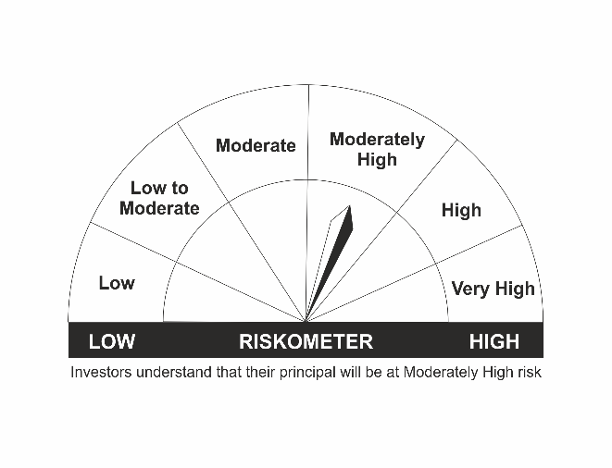 | LIC MF Hybrid Composite 50:50 Index | 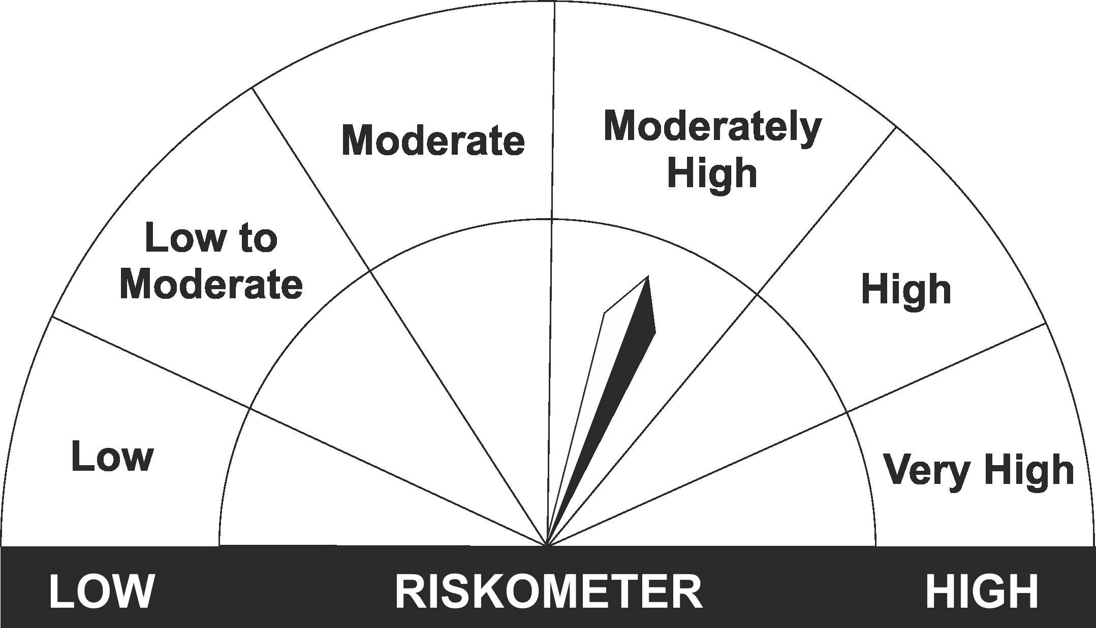
•Capital appreciation over a long period of time
•Investments in a dynamically managed portfolio of equity and equity related instruments, debt and money market instruments
•Risk - Moderately High |  | •Risk - Moderately High

*Investors should consult their financial advisers if in doubt about whether the product is suitable for them.
Mutual Fund investments are subject to market risks, read all scheme related documents carefully.

LEBALF
LIC MF EQUITY HYBRID FUND |  |  |  |  |  |  | Index

Monthly Portfolio Statement as on November 30,2021
Name of the Instrument | ISIN | Industry / Rating | Quantity | Market/Fair Value (Rounded, Rs. In Lacs) | Rounded, % to Net Assets | Yield
Equity & Equity related
(a)Listed / Awaiting listing on Stock Exchanges
ICICI Bank Ltd. | INE090A01021 | BANKS | 494,139.000 | 3,529.88 | 7.73%
Infosys Ltd. | INE009A01021 | SOFTWARE | 197,637.000 | 3,384.83 | 7.41%
HDFC Bank Ltd. | INE040A01034 | BANKS | 201,226.000 | 3,005.41 | 6.58%
Tata Consultancy Services Ltd. | INE467B01029 | SOFTWARE | 62,891.000 | 2,219.52 | 4.86%
Biocon Ltd. | INE376G01013 | PHARMACEUTICALS | 286,778.000 | 1,033.55 | 2.26%
Nestle India Ltd. | INE239A01016 | CONSUMER NON DURABLES | 5,232.000 | 1,002.06 | 2.19%
Housing Development Finance Corp Ltd. | INE001A01036 | FINANCE | 36,724.000 | 981.67 | 2.15%
Hindustan Unilever Ltd. | INE030A01027 | CONSUMER NON DURABLES | 41,621.000 | 964.59 | 2.11%
Transport Corporation Of India Ltd. | INE688A01022 | TRANSPORTATION | 132,703.000 | 911.21 | 1.99%
Coromandel International Ltd. | INE169A01031 | FERTILISERS | 119,197.000 | 882.30 | 1.93%
Brigade Enterprises Ltd. | INE791I01019 | CONSTRUCTION | 175,000.000 | 879.29 | 1.92%
Axis Bank Ltd. | INE238A01034 | BANKS | 116,558.000 | 764.21 | 1.67%
Bharti Airtel Ltd. | INE397D01024 | TELECOM - SERVICES | 103,694.000 | 755.15 | 1.65%
Kansai Nerolac Paints Ltd. | INE531A01024 | CONSUMER NON DURABLES | 126,567.000 | 754.66 | 1.65%
Asian Paints Ltd. | INE021A01026 | CONSUMER NON DURABLES | 23,795.000 | 748.03 | 1.64%
Titan Company Ltd. | INE280A01028 | CONSUMER DURABLES | 29,892.000 | 710.08 | 1.55%
State Bank of India | INE062A01020 | BANKS | 152,549.000 | 702.56 | 1.54%
Maruti Suzuki India Ltd. | INE585B01010 | AUTO | 9,017.000 | 637.30 | 1.39%
SBI Life Insurance Company Ltd. | INE123W01016 | INSURANCE | 54,909.000 | 637.25 | 1.39%
Kotak Mahindra Bank Ltd. | INE237A01028 | BANKS | 31,553.000 | 619.04 | 1.35%
Gujarat Gas Ltd. | INE844O01030 | GAS | 88,986.000 | 596.16 | 1.30%
HCL Technologies Ltd. | INE860A01027 | SOFTWARE | 47,296.000 | 538.54 | 1.18%
Ashoka Buildcon Ltd. | INE442H01029 | CONSTRUCTION | 535,840.000 | 515.48 | 1.13%
Tech Mahindra Ltd. | INE669C01036 | SOFTWARE | 31,578.000 | 486.76 | 1.07%
Dabur India Ltd. | INE016A01026 | CONSUMER NON DURABLES | 78,873.000 | 469.25 | 1.03%
TTK Prestige Ltd. | INE690A01010 | CONSUMER DURABLES | 4,673.000 | 466.08 | 1.02%
Timken India Ltd. | INE325A01013 | INDUSTRIAL PRODUCTS | 21,443.000 | 433.34 | 0.95%
Alkem Laboratories Ltd. | INE540L01014 | PHARMACEUTICALS | 11,671.000 | 419.39 | 0.92%
ICICI Lombard General Insurance Co. Ltd. | INE765G01017 | INSURANCE | 26,619.000 | 382.61 | 0.84%
GAIL (India) Ltd. | INE129A01019 | GAS | 288,211.000 | 374.10 | 0.82%
Dr. Reddy's Laboratories Ltd. | INE089A01023 | PHARMACEUTICALS | 7,804.000 | 364.90 | 0.80%
Bharat Forge Ltd. | INE465A01025 | INDUSTRIAL PRODUCTS | 51,245.000 | 355.46 | 0.78%
Relaxo Footwears Ltd. | INE131B01039 | CONSUMER DURABLES | 25,857.000 | 334.76 | 0.73%
Carborundum Universal Ltd. | INE120A01034 | INDUSTRIAL PRODUCTS | 36,235.000 | 332.53 | 0.73%
HDFC Life Insurance Company Ltd. | INE795G01014 | INSURANCE | 47,081.000 | 320.53 | 0.70%
City Union Bank Ltd. | INE491A01021 | BANKS | 218,986.000 | 316.87 | 0.69%
SBI Cards & Payment Services Ltd. | INE018E01016 | FINANCE | 32,936.000 | 313.06 | 0.69%
Pfizer Ltd. | INE182A01018 | PHARMACEUTICALS | 5,800.000 | 301.39 | 0.66%
Container Corporation Of India Ltd. | INE111A01025 | TRANSPORTATION | 47,724.000 | 295.89 | 0.65%
3M India Ltd. | INE470A01017 | CONSUMER NON DURABLES | 1,166.000 | 291.90 | 0.64%
Birlasoft Ltd. | INE836A01035 | SOFTWARE | 58,645.000 | 278.53 | 0.61%
Sundaram Finance Ltd. | INE660A01013 | FINANCE | 10,699.000 | 242.01 | 0.53%
Sanofi India Ltd. | INE058A01010 | PHARMACEUTICALS | 2,753.000 | 218.63 | 0.48%
Mphasis Ltd. | INE356A01018 | SOFTWARE | 7,524.000 | 217.83 | 0.48%
Gujarat State Petronet Ltd. | INE246F01010 | GAS | 68,767.000 | 215.45 | 0.47%
ICICI Prudential Life Insurance Co Ltd. | INE726G01019 | INSURANCE | 36,123.000 | 214.23 | 0.47%
Tata Steel Ltd. | INE081A01012 | FERROUS METALS | 19,706.000 | 211.09 | 0.46%
Shriram City Union Finance Ltd. | INE722A01011 | FINANCE | 8,182.000 | 182.13 | 0.40%
Honeywell Automation India Ltd. | INE671A01010 | INDUSTRIAL CAPITAL GOODS | 417.000 | 162.19 | 0.35%
Johnson Controls-Hitachi AC India Ltd. | INE782A01015 | CONSUMER DURABLES | 5,296.000 | 100.55 | 0.22%
Bharti Airtel Ltd. PARTLY PAID UP FV 1.25 | IN9397D01014 | TELECOM - SERVICES | 7,406.000 | 28.94 | 0.06%
Sub Total |  |  |  | 35,103.17 | 76.83%
(b) Unlisted
Sub Total |  |  |  | NIL | NIL

TOTAL |  |  |  | 35,103.17 | 76.83%

Debt Instruments
(a)Listed / Awaiting listing on stock Exchanges
6.84% Government of India | IN0020160050 | SOVEREIGN | 1,400,000.000 | 1,479.70 | 3.24% | 4.26%
5.22% Government of India | IN0020200112 | SOVEREIGN | 1,000,000.000 | 1,021.02 | 2.23% | 5.31%
8.94% Export Import Bank of India ** | INE514E08CB3 | CRISIL AAA | 50.000 | 563.95 | 1.23% | 4.49%
5.63% Government of India | IN0020210012 | SOVEREIGN | 500,000.000 | 503.49 | 1.10% | 5.65%
7.32% Government of India | IN0020180488 | SOVEREIGN | 200,000.000 | 215.50 | 0.47% | 4.73%
8.49% NTPC Ltd. ** | INE733E07JP6 | CRISIL AAA | 36,000.000 | 5.07 | 0.01% | 5.45%
Sub Total |  |  |  | 3,788.73 | 8.28%

(b)Privately Placed/Unlisted
Sub Total |  |  |  | NIL | NIL

(c)Securitised Debt Instruments
Sub Total |  |  |  | NIL | NIL

TOTAL |  |  |  | 3,788.73 | 8.29%

Money Market Instruments

Treasury Bill
364 DAYS TBILL RED 02-12-2021 | IN002020Z345 | SOVEREIGN | 2,900,000.000 | 2,899.74 | 6.35% | 3.29%
182 DAYS TBILL RED 09-12-2021 | IN002021Y106 | SOVEREIGN | 2,900,000.000 | 2,897.90 | 6.34% | 3.30%
91 DAYS TBILL RED 09-12-2021 | IN002021X264 | SOVEREIGN | 250,000.000 | 249.82 | 0.55% | 3.30%
Sub Total |  |  |  | 6,047.46 | 13.24%

TOTAL |  |  |  | 6,047.46 | 13.24%

Treps / Reverse Repo
Treps |  |  |  | 700.21 | 1.53%
Sub Total |  |  |  | 700.21 | 1.53%

TOTAL |  |  |  | 700.21 | 1.53%
Net Receivables / (Payables) |  |  |  | 48.38 | 0.11%
GRAND TOTAL |  |  |  | 45,687.95 | 100.00%

** Non Traded Security

The product is suitable for investors who are seeking* | Riskometer - Scheme | Primary Benchmark | Riskometer - Primary Benchmark
LIC MF Equity Hybrid Fund | 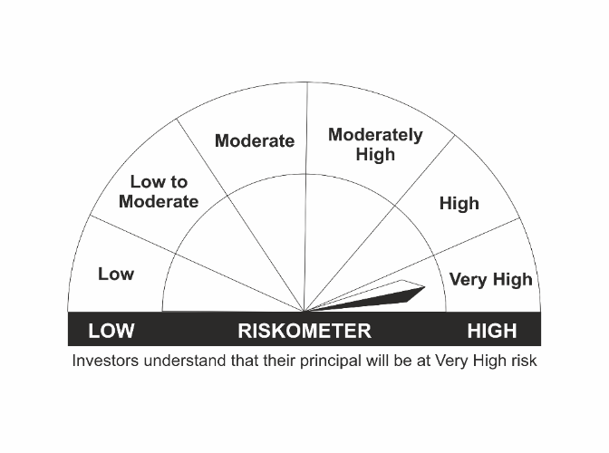 | CRISIL Hybrid 35+65 - Aggressive Index | 
•Long term capital appreciation with current income
•A fund that invests both in stocks and fixed income instruments.
•Risk - Very High |  | •Risk - Very High

*Investors should consult their financial advisers if in doubt about whether the product is suitable for them.
Mutual Fund investments are subject to market risks, read all scheme related documents carefully.

